Sheet1
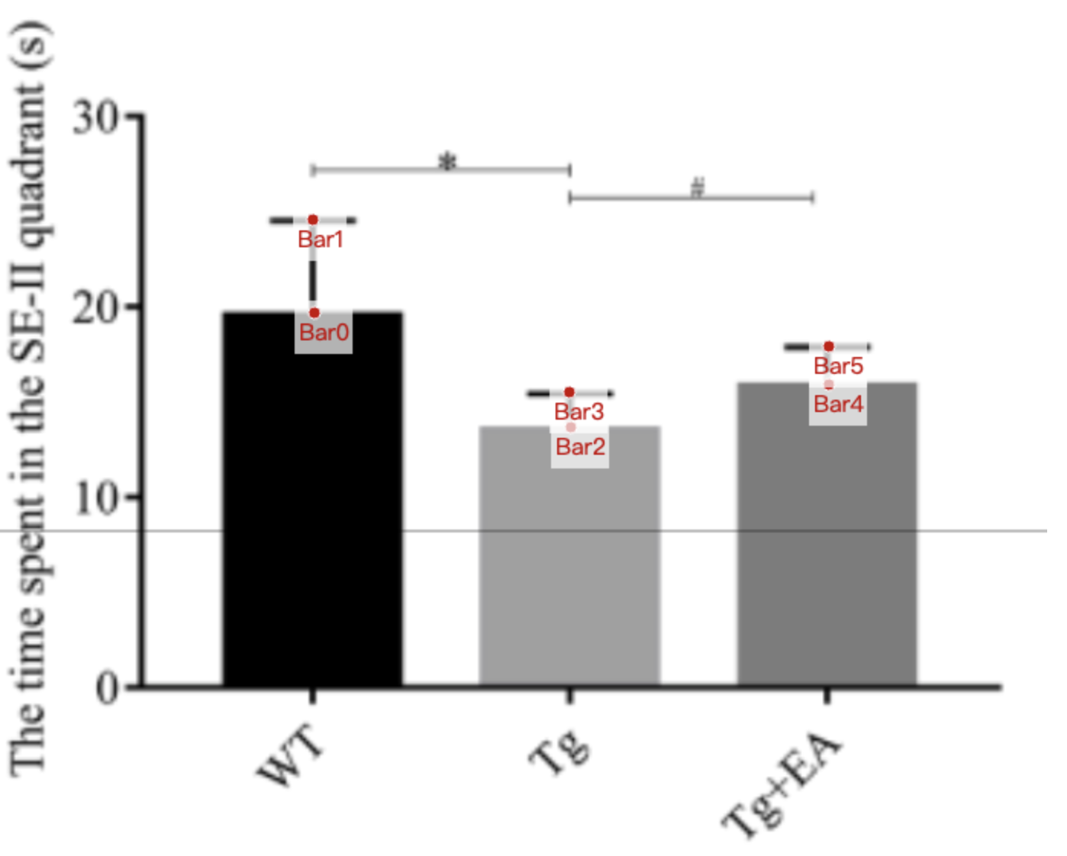
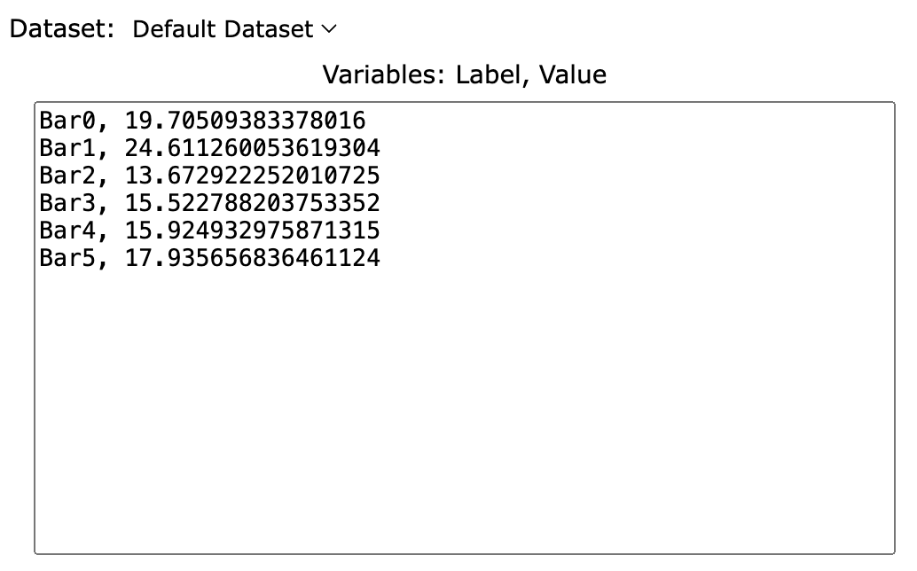
Treatment Groups | WT_time_spent_in_target_quadrant | Tg_time_spent_in_target_quadrant | Tg+EA_time_spent_in_target_quadrant
mean | 19.705093834 | 13.672922252 | 15.924932976
sd | 4.90616622 | 1.849865952 | 2.010723861
mean+sd | 24.611260054 | 15.522788204 | 17.935656836

